Charts (Task 4)
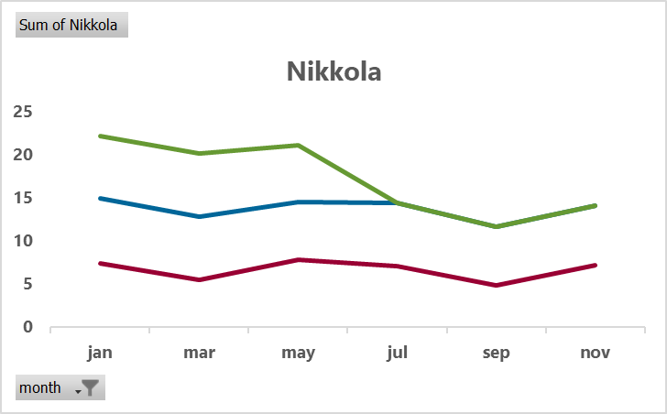
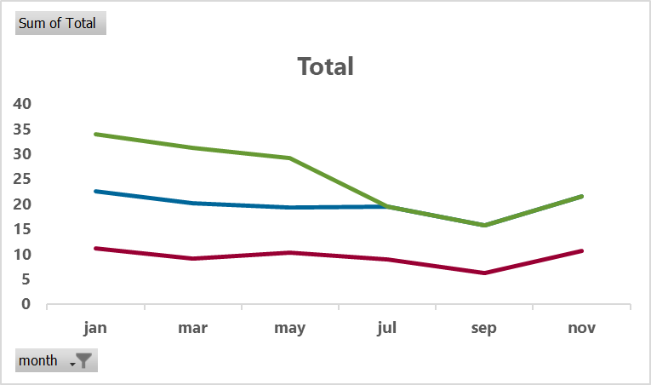
 | 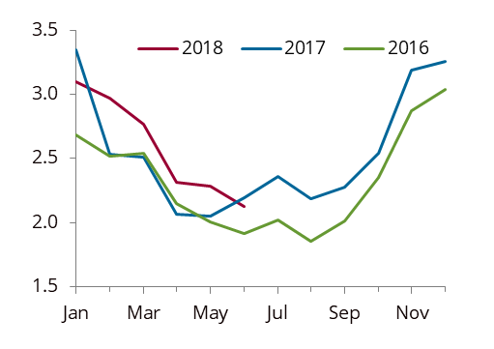 Task 4 - Please create a seasonal chart for each field and total below. The charts should be formatted in the same way as this one:

Seasonal Charts |  | _______ _______ |  |  |  | __________
 |  |  | 2018 |  | 2017 | 2016
Escalante |  |  |  | Masih
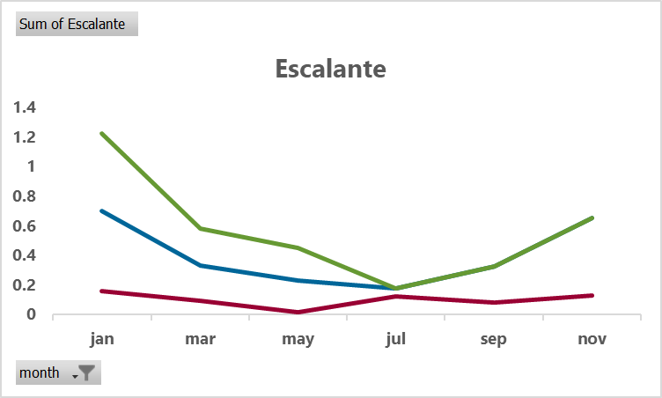
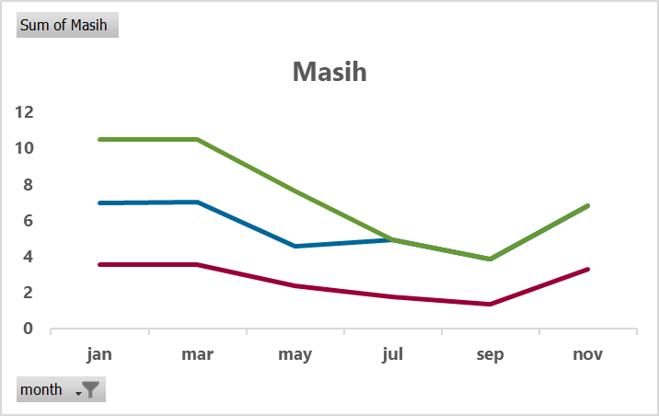

Nikkola |  |  |  | Total

Sheet4
Sum of Total | Column Labels
Row Labels | 16.00 | 17.00 | 18.00 | Grand Total
jan | 11.173763 | 11.508556 | 11.298297 | 33.980616
mar | 9.195656 | 11.056268 | 11.044313 | 31.296237
may | 10.290392 | 9.091805 | 9.908723494 | 29.290920494
jul | 8.98137 | 10.585278 |  | 19.566648
sep | 6.344905 | 9.493574 |  | 15.838479
nov | 10.732846 | 10.880894 |  | 21.61374
Grand Total | 56.718932 | 62.616375 | 32.251333494 | 151.58664049

Total
 | 16.00 | 17.00 | 18.00
jan | 11.173763 | 11.508556 | 11.298297
mar | 9.195656 | 11.056268 | 11.044313
may | 10.290392 | 9.091805 | 9.908723494
jul | 8.98137 | 10.585278
sep | 6.344905 | 9.493574
nov | 10.732846 | 10.880894

